Invoice
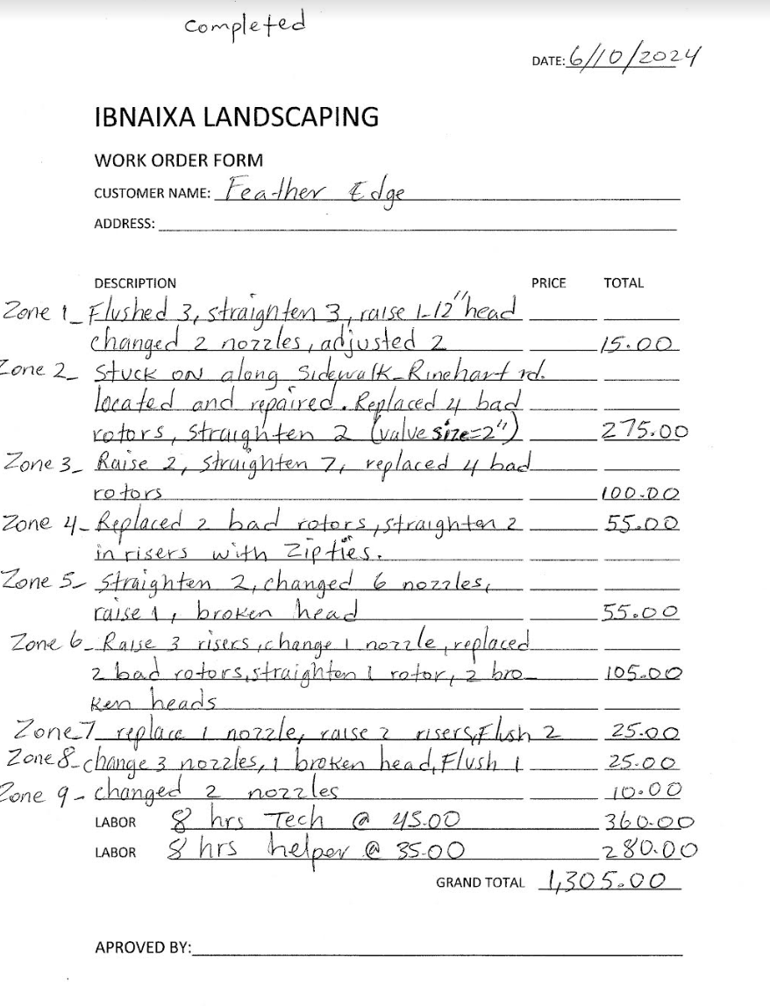
 | Lizpa Landscaping, Inc.

 | Bill To: | Feather Edge II Condominium Association c/o Specialty Management Company of Florida, Inc. | Phone: | 407-647-2622 | Invoice #: | 1386
 | Address: | 1000 Pine Hollow Pt. Altamonte Springs, FL 32714 | Fax: |  | Invoice Date: | 2024-08-01
 | Service Address: | Feather Edge Loop Lake Mary, FL 32746 | Email: | invoices@greatcommunities.com

 | Qty | Description |  |  |  | Price

 |  | Sprinkler work done by Ibnaixa Landscaping in July |  |  |  | $1,305.00
 |  | See itemized work order form by above landscaper

 | Make all checks payable to Lizpa Landscaping, Inc. 141 Sunset Dr. Longwood, FL 32750
 | Thank you for your business!! |  |  |  | TOTAL | $1,305.00

